Instructions
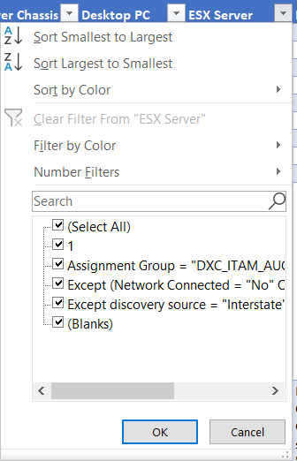
The "Valid Classes" sheet contains information on the classes within the CMDB and which ones are considered valid for the purposes of Hardware IT Asset Management
 | The "Valid Hardware Class?" column identifies whether the class within CMDB is valid. Note that this doesn't mean that the CMDB will prevent you from selecting classes deemed invalid for Hardware
 | If the class is invalid for hardware, the "Reclassify to:" provides guidance on the recommended class to be used instead
 | There are no recommendations for classes that are not hardware in nature (Ex: applications)

The "Completeness_Correctness Rules" provides guidance on what information is required to be collected in the CMDB for different asset classes
 | The "Service Now Field" provides the exact attribute where the information should be stored in the CMDB
 | The "Attribute Group" documents the specific tabbed section within the CMDB the attribute can be found
 | Correctness Logic governs what information should be collected alongside certain exceptions

Instructions:
 | To find out what information is required by each asset class, filter out blanks from the selection. The remaining fields are required for the filtered class.

